Plotly
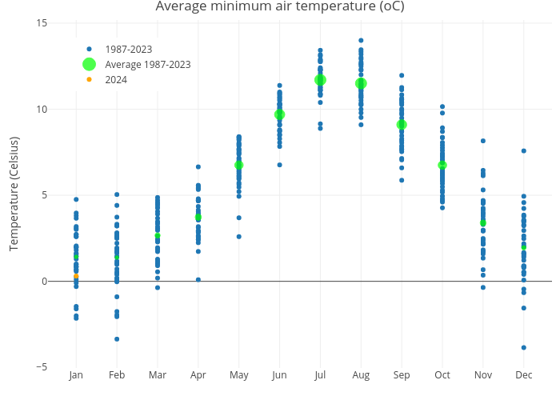
https://plotly.com/~Silwood_Park/33/

